TestSummary
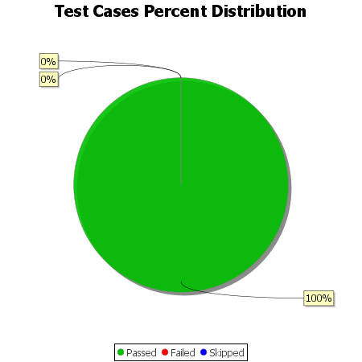
Total Test Cases | 38
Test Cases Passed | 38
Test Cases Failed | 0
Test Cases Skipped | 0

